Sheet1
BRAND NEW EUREKA VACUUMS - RETAIL BOXES
MODEL | DESCRIPTION | PHOTO | QTY | RETAIL | TOT RETAIL
AS1057A | Eureka Professional Clean Air Bagged Upright, Model | 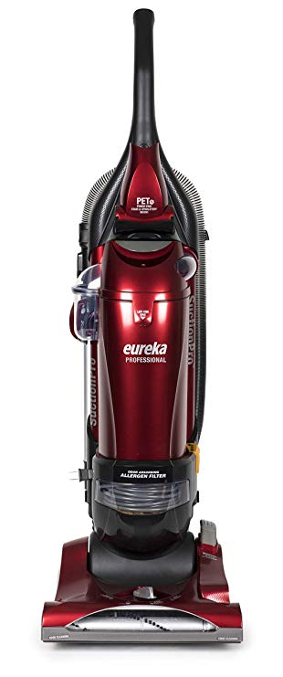 | 2 | $79.99 | $159.98
AS1061A | Eureka AS1061A AirSpeed Pro Handheld, All Floors Pet Grooming Ash Bugs, Rewind Bagless HEPA Filter Upright Vacuum Cleaner | 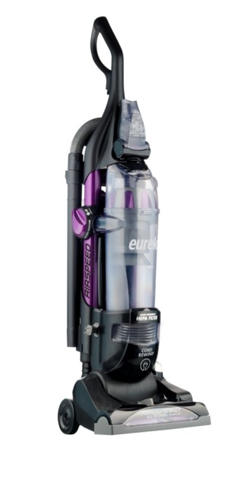 | 105 | 439.99 | $46,198.95 | https://www.walmart.com/ip/Eureka-AirSpeed-Pro-All-Floors-Rewind-Pet-Bagless-Upright-Vacuum-AS1061A/38684179
AS3011AE | Eureka AirSpeed All Floors AS3011AE |  | 85 | 99.99 | $8,499.15
AS3352A |  | 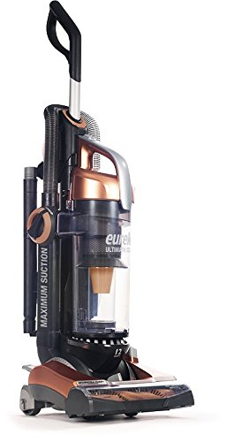 | 4 |  | $0.00
AS3451A | Eureka Ultimate Clean Pet Cyclonic Bagless Upright Vacuum with Brushroll Clean and SuctionSeal Technology, AS3451A |  | 20 | 294.95 | $5,899.00 | https://www.walmart.com/ip/Eureka-Ultimate-Clean-Pet-Cyclonic-Bagless-Upright-Vacuum-with-Brushroll-Clean-and-SuctionSeal-Technology-AS3451A/54288386
AS5204A | Eureka AirSpeed Bagless Corded Zuum Vacuum with Upholstery Nozzle, Black |  | 191 | 99.99 | $19,098.09
 |  | TOTAL |  | 407 | $79,855.17

